qdenga_price
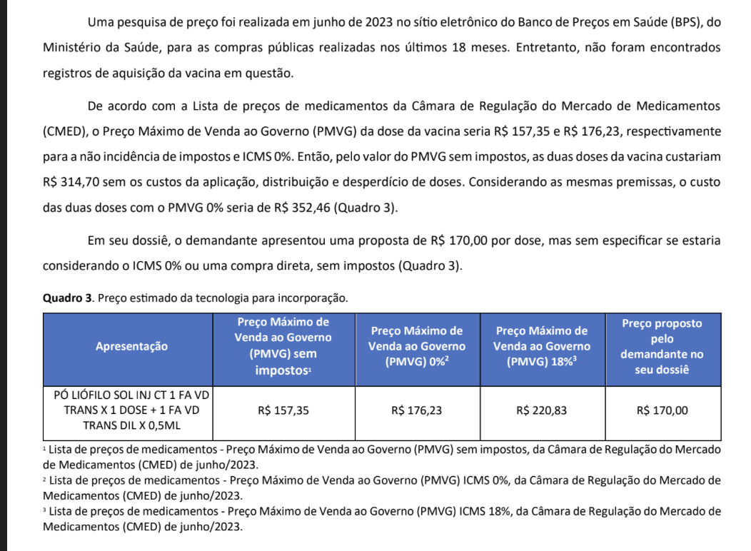
QDENGA ICER BY CONITEC - BRAZILIAN AGENCY

Source: National Commission for the Incorporation of Technologies in the Unified Health System. (2023). Recommendation report No. 871: Tetravalent dengue vaccine (attenuated) for the prevention of infection caused by the dengue virus and its complications. Ministry of Health.

PMVG without taxes | PMVG 0% (R$) | PMVG 18% (R$) | Suggested price by Takeda for SUS (R$) | Final price agreement (R$) |  | Gap between final price and initial max price
157.35 | 176.23 | 220.83 | 170.00 | 95.00 | 0.43 | 0.570

